Sheet1
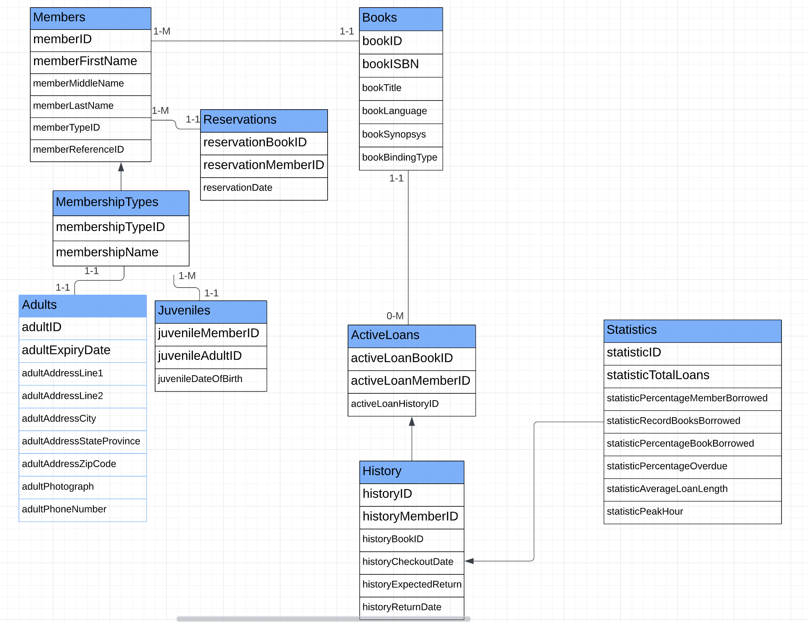
Kristiyan Stoilov

Step 1: Determine the purpose of your database
To create a database for the Montreal branch of Aragon Municipal Library as it has slightly different requirements that its main US branch. This database will make the daily library functions easy and accessible. This includes uniquely identifying books and registering the book transactions.

Step 2: Determine the entities (tables) you need
Members
MembershipTypes
Adults
Juveniles
Books
ActiveLoans
Reservations
Statistics
History
Step 3: Determine the attributes (fields) in each entity
Members | memberID |  | PK
 | memberFirstName
 | memberMiddleName | null
 | memberLastName
 | memberTypeID |  | FK
 | memberReferenceID |  | FK

MembershipTypes | membershipTypeID |  | PK
 | membershipName

Adults | adultID |  | PK
 | adultExpiryDate
 | adultAddressLine1
 | adultAddressLine2 | null
 | adultAddressCity
 | adultAddressStateProvince | default: QC
 | adultAddressZipCode
 | adultPhoneNumber | null
 | adultPhotograph

Juveniles | juvenileMemberID |  | PK
 | juvenileAdultID | (Associated Adult) | FK
 | juvenileDateOfBirth

Books | bookID |  | PK
 | bookISBN
 | bookTitle
 | bookLanguage
 | bookSynopsys
 | bookBindingType

ActiveLoans | activeLoanBookID |  | PK
 | activeLoanMemberID |  | PK
 | activeLoanHistoryID |  | FK

Reservations | reservationBookID |  | PK
 | reservationMemberID |  | PK
 | reservationDate

Statistics | statisticID |  | PK
 | statisticYear
 | statisticTotalLoans
 | statisticPercentageMembersBorrowed
 | statisticRecordBooksBorrowed
 | statisticPercentageBooksBorrowed
 | statisticPercentageOverdue
 | statisticAverageLoanLength
 | statisticPeakHour

History | historyID |  | PK
 | historyMemberID |  | FK
 | historyBookID |  | FK
 | historyCheckoutDate
 | historyExpectedReturn
 | historyReturnDate

Step 4: Create the Data Dictionary
Table Name | Attribute Name | Contents | Type | Length | Format | Required | Key | Referenced Table
Members | memberID | Unique ID of the member(adult or juvenile) | INT | 9 | 999999999 |  | YES
 | memberFirstName | First Name of member | VARCHAR | 256 | AAAAA…
 | memberMiddleName | Middle name of member | VARCHAR | 256 | AAAAA… | NO
 | memberLastName | Last name of member | VARCHAR | 256 | AAAAA…
 | memberTypeID | type of the member, adult or juvenile | VARCHAR | 256 | AAAAA… |  |  | MembershipTypes
 | memberReferenceID | type of the member, adult or juvenile | VARCHAR | 256 | AAAAA… |  |  | Adults/Juveniles

MembershipTypes | membershipTypeID | Unique ID of type of membership | iNT | 1 | 9 |  | YES
 | membershipName | The name of the type of membership | VARCHAR | 16 | AAAAA…

Adults | adultID | unique ID of the member | INT | 9 | 999999999 |  | YES
 | adultExpiryDate | expiry date of the membership | DATE | 8 | YYYYMMDD
 | adultAddressLine1 | Address line 1 of the member | VARCHAR | 256 | AAAAA…
 | adultAddressLine2 | Address line 2 of the member | VARCHAR | 256 | AAAAA… | NO
 | adultAddressCity | City of the member | VARCHAR | 16 | AAAAA…
 | adultAddressProvince | province of the member | VARCHAR | 16 | AAAAA…
 | adultAddressZipCode | zip code of the member | VARCHAR | 16 | AAAAA…
 | adultPhotograph | Photograph of the member | VARCHAR | 256 | AAAAA…
 | adultPhoneNumber | phone number of the member | BIGINT | 10 | 9999999999 | NO

Juveniles | juvenileMemberID | unique ID of the member | INT | 256 | AAAAA… |  | YES
 | juvenileAdultID | unique ID of the adult member | VARCHAR | 256 | AAAAA… |  |  | Adults
 | juvenileDateOfBirth | date of birth of the juvenile | DATE | 8 | YYYYMMDD

Books | bookID | Unique ID of each copy of a book | INT | 9 | 999999999 |  | YES
 | bookISBN | ISBN of the book | BIGINT | 13 | 9999999999999
 | bookTitle | Title of the book | VARCHAR | 128 | AAAAA…
 | bookLanguage | Language of the book | VARCHAR | 128 | AAAAA…
 | bookSynopsys | summary of the book | VARCHAR | 512 | AAAAA…
 | bookBindingType | Binding type of the book | VARCHAR | 128 | AAAAA…

ActiveLoans | activeLoanBookID | Unique ID of each copy of a book | INT | 9 | 999999999 |  | YES | Books
 | activeLoanMemberID | Unique ID of the member(adult or juvenile) | INT | 9 | 99999999 |  | YES | Members
 | activeLoanHistoryID | ID of row from History table | DATE | 8 | YYYYMMDD |  |  | History

Reservations | reservationBookID | Unique ID of each copy of a book | INT | 9 | 999999999 |  | YES | Books
 | reservationMemberID | unique ID of the member(adult or juvenile) | INT | 8 | 99999999 |  | YES | Members
 | reservationDate | The date on which the reservation was done | DATE | 8 | YYYYMMDD

Statistics | statisticID | Unique ID of each static | INT | 2 | 99 |  | YES
 | statisticTotalLoans | The total of books loaned | INT | 9 | 999999999
 | statisticPercentageMemberBorrowed | The percentage of members that borrowed at least one book | DOUBLE | 4 | 99.99
 | statisticRecordBooksBorrowed | The greatest number of books borrowed by a single member | INT | 4 | 9999
 | statisticPercentageBookBorrowed | The percentage of books loaned out at least once last year | DOUBLE | 4 | 99.99
 | statisticPercentageOverdue | The percentage of overdue loans | DOUBLE | 4 | 99.99
 | statisticAverageLoanLength | The average length of a loan | DOUBLE | 4 | 99.99
 | statisticPeakHour | The peak hour for loans | INT | 2 | 99

History | historyID | Unique ID of each entry | INT | 9 | 999999999 |  | YES
 | historyMemberID | Unique ID of the member(adult or juvenile) | INT | 9 | 99999999 |  |  | Books
 | historyBookID | Unique ID of each copy of a book | INT | 9 | 999999999 |  |  | Members
 |  | The date on which the book was checkout | DATETIME | 14 | YYYYMMDDHHMMSS
 | historyExpectedReturn | The date on which the book has to be returned | DATE | 8 | YYYYMMDD
 | historyReturnDate | The date on which the book was returned | DATE | 8 | YYYYMMDD

Notes:
The Loans and Reservations tables only keep data from what is currently loaned out and what is currently reserved. Once returned, the rows are deleted from the table and only kept in the history.
We did not have a normalization step and we built everything with normalization in mind.

Step 5: Determine the Relationships by creating the Entity-Relationship Diagram (ERD)

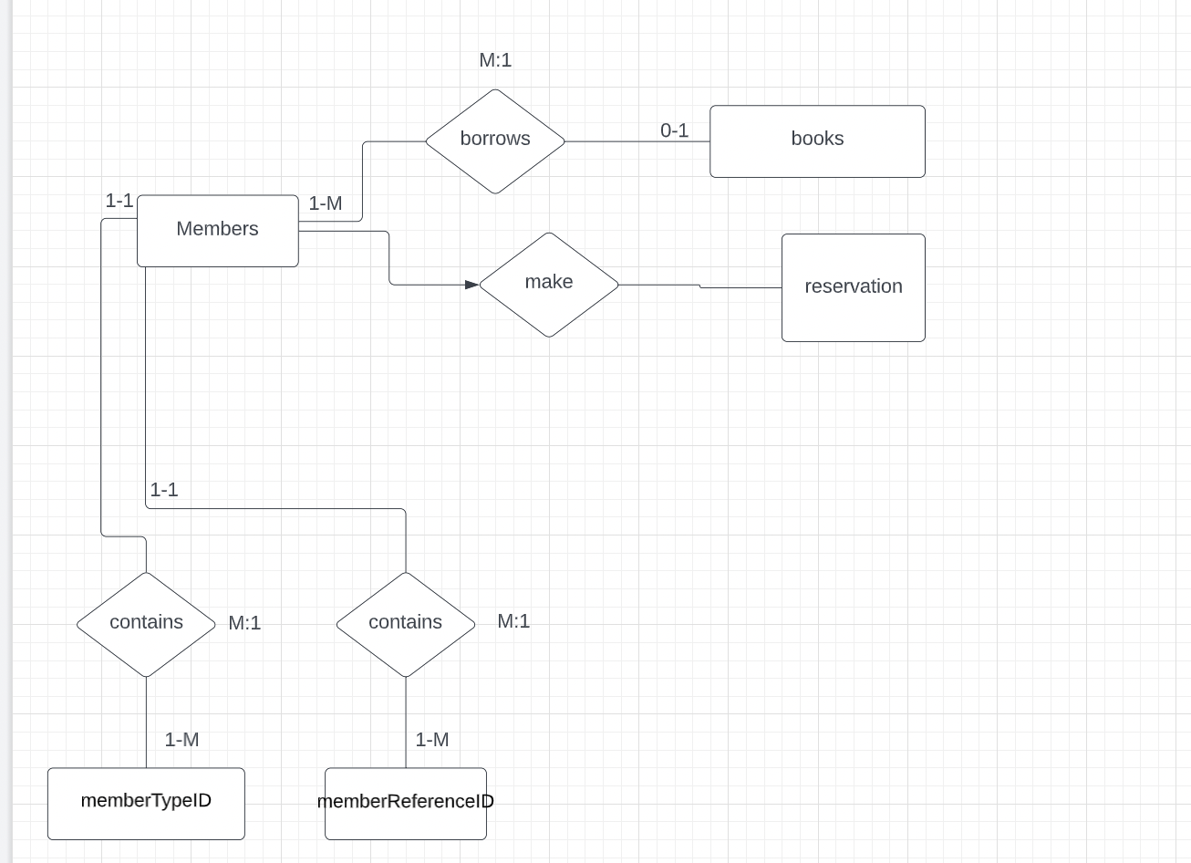

Step 6: Transfer the ERD into a relational system

